Customize your calendar
Go to Format >> Theme
Bring your personal style into 2021 planning
Explore 16 different themes to personalize your 2021 calendar - Simply go to the "Format" menu and select "Theme" - Browse and select from one of the preset Themes in the side panel - Use the themes as-is or you can add your own style by clicking "Customize"

 |  |  |  | 
Streamline

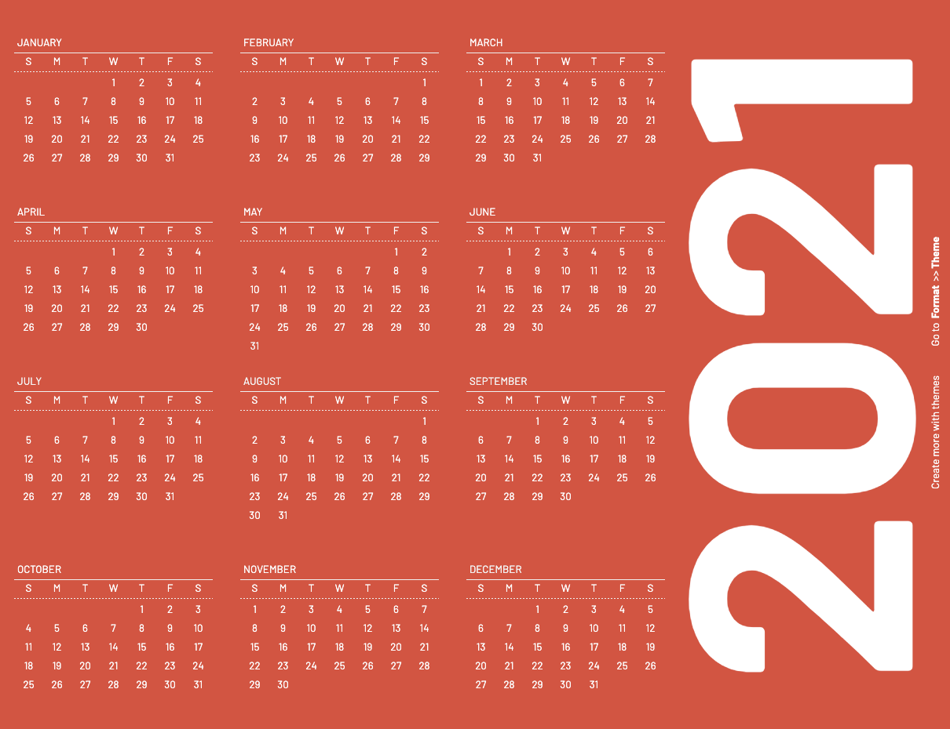 |  |  |  | 
Retro

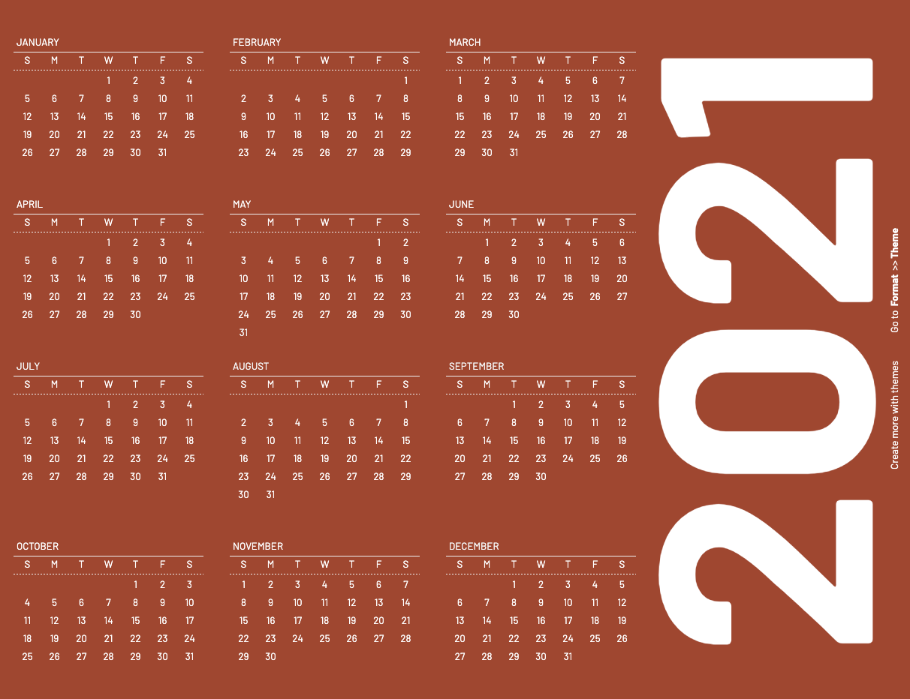 | 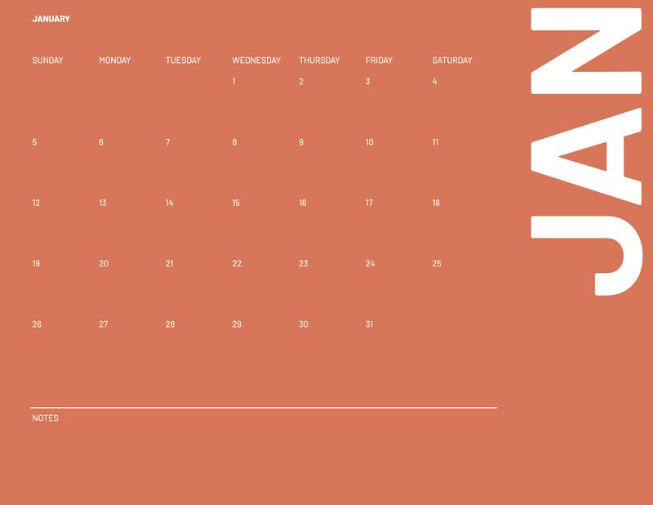 | 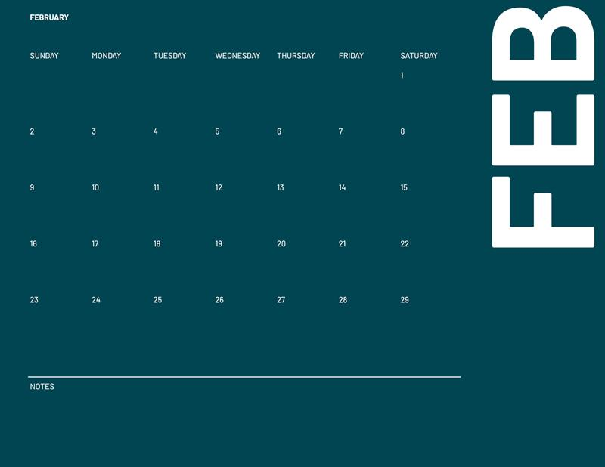 | 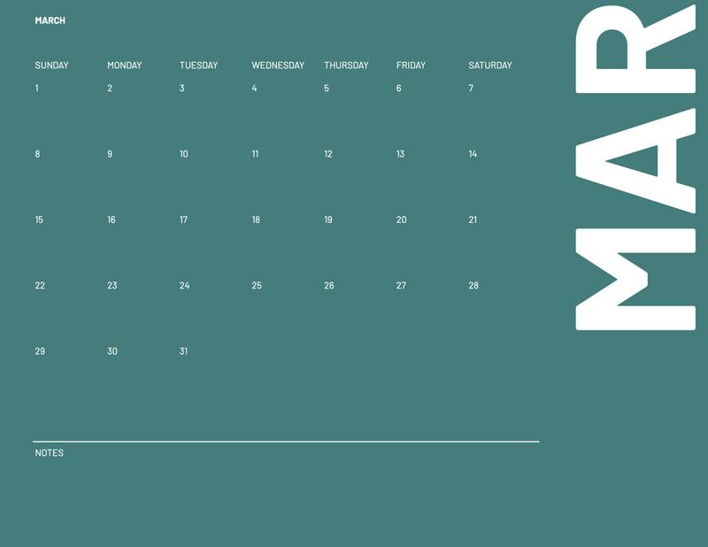 | 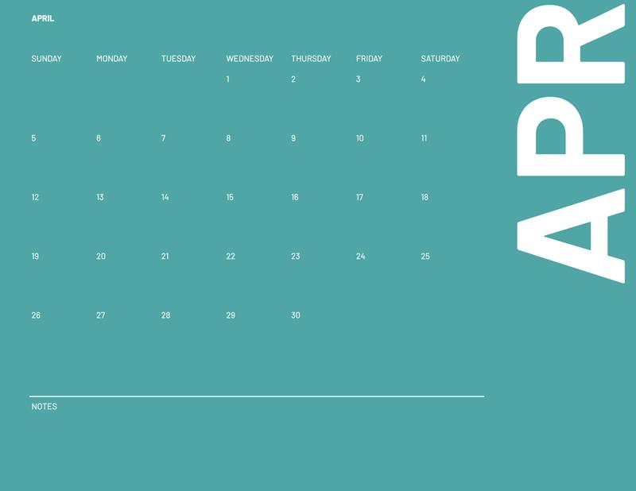
Coral

TIP: Insert images into cells by using: Insert >> Image >> Image in cell

